REBAR TEMPLATE
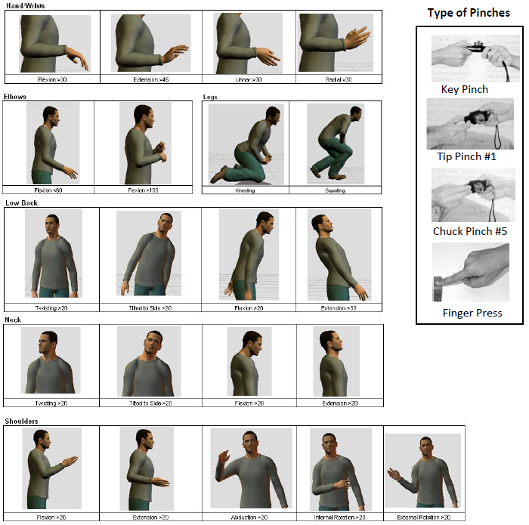
 |  | Rapid Ergonomic Baseline Assessment of Risk - REBAR

Job Name: |  | Assembly Front Stack |  |  |  | Analyst: |  | Mark Anderson, CPE |  |  |  | Date: | 2018-03-22
Line Name: |  | HDx Sig Station |  | Process #: |  |  |  | Initial Assesment: |  |  | X | Resscore: |  |  | Rebaseline:
Takt Time: |  |  |  |  |  | Daily Production Rate: |  |  | 35 |  |  | Cycle Time:
Overall Job Baseline Risk Priority Score: |  |  |  |  | 0 |  |  |  |  | Highest Level Obtained: |  |  |  | Low

Duration | <1 Hour |  | 1 to 2 Hrs |  | 2 to 4 Hrs |  | 4 to 8 Hrs |  | 8+ Hrs |  | Score |  |  | <3 | 3 to 5 | 6 to 10 | 11+
Multiplier | 0.25 |  | 0.5 |  | 0.75 |  | 1.00 |  | 1.5 |  | Concern Level |  |  | Low | Medium | High | Very High

 | Complete sections based on observed and/or measured ergonomic risk factors. Add all scores to obtain Total Score. Use Duration Multiplier Table above to calculate Job Risk Score
Risk Score | Hands & Wrists | Risk Factors |  |  | L | R | Elbows | Risk Factors |  |  | L | R | Shoulders | Risk Factors |  |  | L | R
1 | Contact Stress | >10/hour or 2 hours/day |  |  | FALSE | FALSE | Contact Stress | >10/hour or 2 hours/day |  |  | FALSE | FALSE | Static | Any Posture >20 for > 50% Cycle
2 | Posture | Flex>30, Extend>45, or Ulnar/Radial >30 |  |  | FALSE |  | Posture | Flexion <60 or Flexion >100 |  |  | FALSE | FALSE | Force | Push, Pull, Lift, or Lower >10 lbs. |  |  | FALSE
3 | Force | Measured Hand Effort >20 MVC |  |  | FALSE |  | Freq | Posture or Force >4/min |  |  |  | FALSE | Freq | Posture or Force >4/min |  |  |  | FALSE
4 | Freq | Posture or Force >4/min |  |  | FALSE |  | Force | Measured Hand Effort >20 MVC |  |  |  | FALSE | Posture | Flex, Extend, Abduct or Int/Ext Rotate >20 |  |  | FALSE

 |  | Total Score |  |  | 0 | 0 |  | Total Score |  |  | 0 | 0 |  | Total Score |  |  | 0 | 0
 |  | Event Multiplier |  |  | 0.25 | 0.25 |  | Event Multiplier |  |  | 0.25 | 0.25 |  | Event Multiplier |  |  | 0.25 | 0.25
 |  | Job Risk Score |  |  | 0 | 0 |  | Job Risk Score |  |  | 0 | 0 |  | Job Risk Score |  |  | 0 | 0

Risk Score | Neck | Risk Factors |  |  |  |  | Back | Risk Factors |  |  |  | R | Legs | Risk Factors |  |  |  | R
1 | Posture | Twisting >20 or Tilted to Side >20 |  |  |  | FALSE | Static | Unsupported Back Posture >20 for >1 min |  |  |  | FALSE | Contact Stress | >10/hour or 2 hours/day |  |  |  | FALSE
2 | Posture | Flexion >20 or Extension >20 |  |  |  | FALSE | Posture | Flexion, Extension, Twist or Lateral Bend >20 |  |  |  | FALSE | Static | Stand or Sit in Place >33% Cycle |  |  |  | FALSE
3 | Freq | Posture >4/min |  |  |  | FALSE | Freq | Posture or Force >4/min |  |  |  | FALSE | Posture | Kneel or Squat |  |  |  | FALSE
4 | Static | Any Neck >20 for >50% Cycle |  |  |  | FALSE | Force | Lift, Lower, Push, Pull >20 lbs |  |  |  | FALSE | Freq | Posture >4/min |  |  |  | FALSE

 |  | Total Score |  |  |  | 0 |  | Total Score |  |  |  | 0 |  | Total Score |  |  |  | 0
 |  | Event Multiplier |  |  |  | 0.25 |  | Event Multiplier |  |  |  | 0.25 |  | Event Multiplier |  |  |  | 0.25
 |  | Job Risk Score |  |  |  | 0 |  | Job Risk Score |  |  |  | 0 |  | Job Risk Score |  |  |  | 0

Risk Score | Fingers | Risk Factors |  |  | L | R
1 | Wrist Posture | Flex >30, Extend >45, or Ulnar/Radial >30 |  |  | FALSE | FALSE
2 | Freq. | All Finger Motions >8/min (total # /min) |  |  | FALSE | FALSE
3 | Force | Any Finger Force >20% MVC |  |  | FALSE | FALSE |  | Finger Forces |  |  |  |  | >20% MVC (avg. force) |  |  |  | Max Force
4 | Static | Finger Force >20 for >50% Cycle |  |  | FALSE | FALSE |  |  |  |  |  |  | Female | Male |  |  | Female | Male
 |  |  |  |  |  |  |  | Key or Lateral Pinch |  |  |  |  | 4 | 5.5 |  |  | 20 | 27
 |  | Total Score |  |  | 0 | 0 |  | Pinches
 |  | Event Multiplier |  |  | 0.25 | 0.25 |  | 1. Thumb + Index |  |  |  |  | 3 | 3.8 |  |  | 15 | 19
 |  | Job Risk Score |  |  | 0 | 0 |  | 2. Thumb + Middle |  |  |  |  | 2 | 3 |  |  | 10 | 15
 |  |  |  |  |  |  |  | 3. Thumb + Ring |  |  |  |  | 1.4 | 2 |  |  | 7 | 10
 |  |  |  |  |  |  |  | 4. Thumb + Little |  |  |  |  | 0.8 | 1.2 |  |  | 4 | 6
Force Conversion Chart |  |  |  |  | %MVC | Borg |  | 5. Chuck(Thumb, Index, Middle) |  |  |  |  | 3 | 4.5 |  |  | 16 | 23
Light - Barely Noticeable |  |  |  |  | 0-1% | 0 to 1 |  | Press/Push/Rub
Somewhat Hard |  |  |  |  | 20-30% | 2 to 3 |  | Thumb Pad |  |  |  |  | 6 | 8.5 |  |  | 30 | 43.5
Hard: Obvious Effort |  |  |  |  | 40-50% | 4 to 5 |  | Thumb Tip |  |  |  |  | 4.5 | 6.5 |  |  | 22.5 | 32.6
Very Hard |  |  |  |  | 60-80% | 6 to 8 |  | Index Finger Pad |  |  |  |  | 4 | 6 |  |  | 20 | 29
Heavy or Maximal Effort |  |  |  |  | 90-100% | 9 to 10 |  | Finger Tip |  |  |  |  | 3 | 4 |  |  | 14.5 | 21
 |  |  |  |  |  |  |  | 2 Index Fingers |  |  |  |  | 8 | 11.5 |  |  | 40 | 58
 |  |  |  |  |  |  |  | 2 Thumbs |  |  |  |  | 12 | 17 |  |  | 60 | 87
 |  |  |  |  |  |  |  | Power Grip |  |  |  |  | 12 | 22 |  |  | 60 | 110
 |  |  |  |  |  |  |  | *MVC = Maximal Voluntary Contraction
 |  | Rapid Ergonomic Baseline Assessment of Risk - REBAR

Comments / Improvements

Posture Graphics Reference: Check postures as observed during operation review

